Reset IC
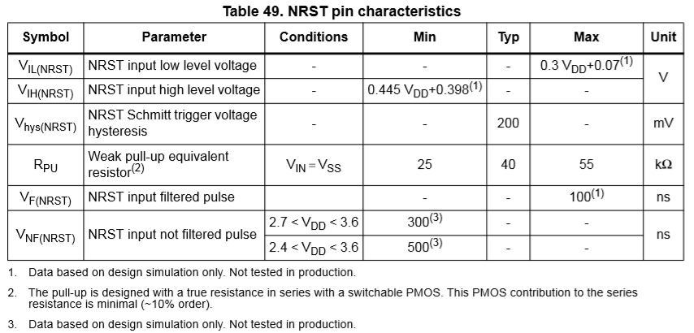
MCU NRST Voltage detection threshold
 | VDD | 3.3
 | VIH | 1.87
 | VIL | 1.06

Reset IC operation
 | Vcc | /RESET
 | 3.3 | 3.3
 | 3.2 | 3.2
 | 3.1 | 3.1
 | 3.0 | 3.0
 | 2.9 | 2.9
 | 2.8 | 2.8
 | 2.7 | 2.7
 | 2.6 | 0.0
 | NRST의 High level이 1.87이므로 /RESET 2.7V도 High로 인식한다.

 |  |  | 23ㅛㅓ

Power
LF Generator Power Set-up

 | Measure
 |  | Frequency[KHz] | Power [W] | Pulse width [usec] | On-Time [usec]
 |  | 50 | 10 | 2 | 82
 |  | 50 | 20 | 2 | 182
 |  | 50 | 100 | 2 | 900

 |  | Frequency[KHz] | Power [W] | Pulse width [usec] | On-Time [usec]
 |  | 50 | 20 | 2 | 182
 |  | 30 | 20 | 3.2 | 70

 | Target Power에 따른 On Time 계산
 |  | Pulse의 Frequeny가 가변되더라도 Pulse Duty가 동일하기 때문에 On Time에 영향이 없다.
 |  |  | Simulation | V1.0 | V1.0 | V1.0 | Origin | Unit
 |  | Vin | 220 | 220 | 220 | 220 | 220 | VAC
 |  | Vout | 300 | 300 | 311 | 300 | 220 | VDC | 220VAC는 RMS value이며, 정류시 Peak Voltage이 311VDC가 된다.
 |  | Vtran_in | 150 | 150 | 156 | 150 | 220 | VDC | Half Bridge 방식으므 Vout/2기준으로 Vout과 0V로 스위칭 된다.
 |  | Itran_in | 18.8 | 18.8 | 20 | 12.5 | 12.5 | A
 |  | P_peak | 2820 | 2820 | 3111 | 1875 | 2750 | W
 |  | Turn ratio | 5 | 5 | 5 | 5 | 5 | N2/N1
 |  | Vtran_out | 720 | 750 | 778 | 750 | 1100 | VDC
 |  | Itran_out | 3.67 | 3.76 | 4.00 | 2.50 | 2.5 | A
 |  | Pulse Duty | 10 | 10 | 10 | 10 | 10 | %
 |  | Total Duty | 20 | 20 | 20 | 20 | 20 | % | Pulse가 1주기당 2ea가 발생하므로 Total Duty는 Pulse Duty x 2 이다.
 |  | P_real | 564 | 564 | 622 | 375 | 550 | W | 실제 전체 Power = P_peak*(2xPulse_Duty)/100
 |  | P_target | 300 | 300 | 300 | 300 | 300 | W
 |  | Power ratio | 0.532 | 0.532 | 0.482 | 0.800 | 0.545 | P/P | P_target / P_real
 |  | On Time | 2.660 | 2.660 | 2.411 | 4.000 | 2.727 | msec | P_target / P_real x 5msec
 |  | Pulse Frequency | 50 | 50 | 50 | 50 | 50 | KHz
 |  | Pulse Period | 0.02 | 0.02 | 0.02 | 0.02 | 0.02 | msec
 |  | Pulse No | 133.0 | 133.0 | 120.5 | 200.0 | 136.4
 |  | => Origin은 220VAC rms value로 계산했기 때문에 맞지 않음
 |  | => 실측 Itran_out에 맞춰 Power를 계산하여 V1.0과 비슷한 결과가 나온것임.

On Time
 | 10.0 % | 10.0 % | Limit [msec]
20 | 0.182 | 3.636 | 5
40 | 0.364 | 7.273 | 5
60 | 0.545 | 10.909 | 5
80 | 0.727 | 14.545 | 5
100 | 0.909 | 18.182 | 5
120 | 1.091 | 21.818 | 5
140 | 1.273 | 25.455 | 5
160 | 1.455 | 29.091 | 5
180 | 1.636 | 32.727 | 5
200 | 1.818 | 36.364 | 5
220 | 2.000 | 40.000 | 5
240 | 2.182 | 43.636 | 5
260 | 2.364 | 47.273 | 5
280 | 2.545 | 50.909 | 5
300 | 2.727 | 54.545 | 5
320 | 2.909 | 58.182 | 5
340 | 3.091 | 61.818 | 5
360 | 3.273 | 65.455 | 5
380 | 3.455 | 69.091 | 5
400 | 3.636 | 72.727 | 5
420 | 3.818 | 76.364 | 5
440 | 4.000 | 80.000 | 5
460 | 4.182 | 83.636 | 5
480 | 4.364 | 87.273 | 5
500 | 4.545 | 90.909 | 5
520 | 4.727 | 94.545 | 5
540 | 4.909 | 98.182 | 5
560 | 5.091 | 101.818 | 5
580 | 5.273 | 105.455 | 5
600 | 5.455 | 109.091 | 5
620 | 5.636 | 112.727 | 5
640 | 5.818 | 116.364 | 5
660 | 6.000 | 120.000 | 5
680 | 6.182 | 123.636 | 5
700 | 6.364 | 127.273 | 5
720 | 6.545 | 130.909 | 5
740 | 6.727 | 134.545 | 5
760 | 6.909 | 138.182 | 5
780 | 7.091 | 141.818 | 5
800 | 7.273 | 145.455 | 5
820 | 7.455 | 149.091 | 5
840 | 7.636 | 152.727 | 5
860 | 7.818 | 156.364 | 5
880 | 8.000 | 160.000 | 5
900 | 8.182 | 163.636 | 5

 |  |  |  |  | Limit [msec]
 |  |  |  |  | 5
 |  |  |  |  | 5
 |  |  |  |  | 5
 |  |  |  |  | 5
 |  |  |  |  | 5
 |  |  |  |  | 5
 |  |  |  |  | 5
 |  |  |  |  | 5
 |  |  |  |  | 5
 |  |  |  |  | 5
 |  |  |  |  | 5
 |  |  |  |  | 5
 |  |  |  |  | 5
 |  |  |  |  | 5
 |  |  |  |  | 5
 |  |  |  |  | 5
 |  |  |  |  | 5
 |  |  |  |  | 5
 |  |  |  |  | 5
 |  |  |  |  | 5
 |  |  |  |  | 5
 |  |  |  |  | 5
 |  |  |  |  | 5
 |  |  |  |  | 5
 |  |  |  |  | 5
 |  |  |  |  | 5
 |  |  |  |  | 5
 |  |  |  |  | 5
 |  |  |  |  | 5
 |  |  |  |  | 5
 |  |  |  |  | 5
 |  |  |  |  | 5
 |  |  |  |  | 5
 |  |  |  |  | 5
 |  |  |  |  | 5
 |  |  |  |  | 5
 |  |  |  |  | 5
 |  |  |  |  | 5
 |  |  |  |  | 5
 |  |  |  |  | 5
 |  |  |  |  | 5
 |  |  |  |  | 5
 |  |  |  |  | 5
 |  |  |  |  | 5
 |  |  |  |  | 5

